Module 9
Main

 | NCA - Intangible assets

 | IAS 38 Intangible assets

 | patents
 | operating licenses
 | copyrights
 | franchise agreements
 | goodwill is an intangible but is covered elsewhere in the course

 | Bosman ruling means the residula value of football players is nil
 | youth players not capitalised as they are internally generated

 | Intangiblr asset is non-monetary asset without physical substance

 | asset - has control and expects a future economic benefit to arise
 | IA have more uncertainty about economic benefits and often harder to quantify
 | requires jusgement and estimation

 | Do not parse out IA if treated under the scope of another standard
 | leases IFRS 16, EE benefits IAS 19 or DTA IAS 12 or inventories IAS 2

 | IA must be seperately identifiable

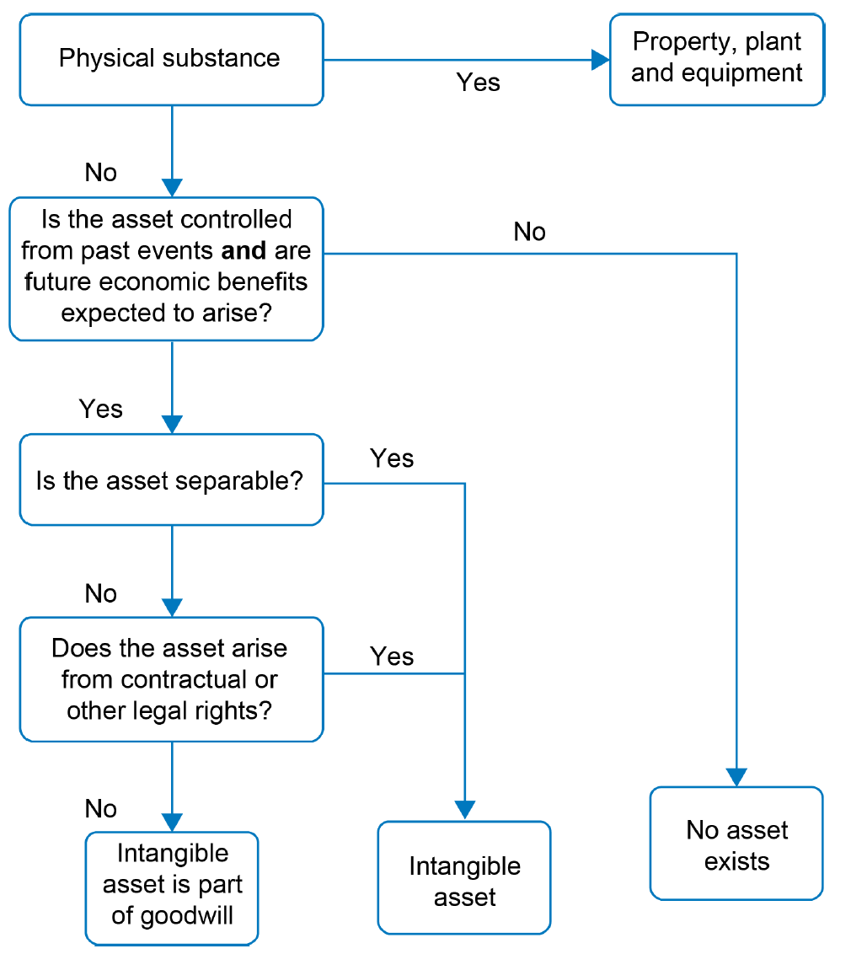

 | need to be able to measure the cost reliably
 | only rarely can subsequent spend be capitalised into IA as it hard to tell if it is improvement or just maintenance.
 | hard to attribute the expense to just the asset

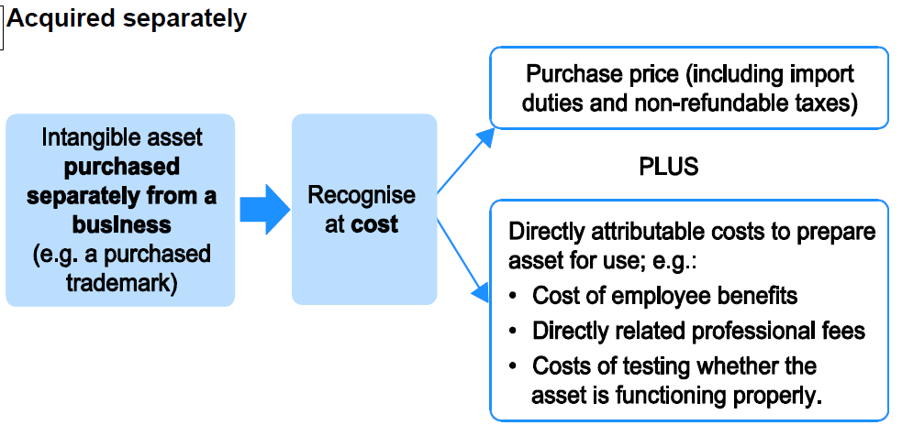

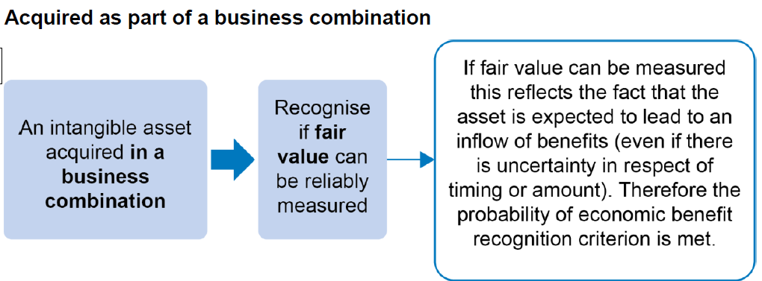

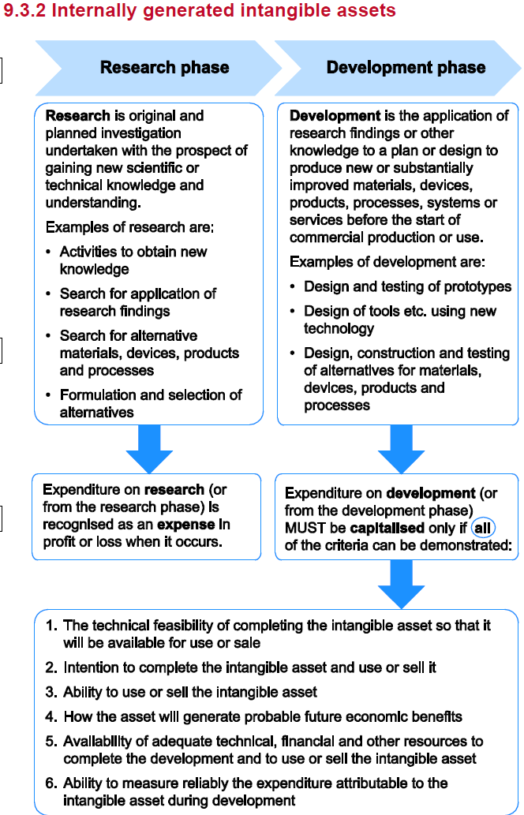

 | Could capitalise videogame production for example
 | Development expenditure must be capitalised provided all the above criteria are met also
 | Any PPE depreciation or IA amortisation attribtued to development can be capitalised
 | PPE depreciation or IA amortisation related to research has to go through the P&L though
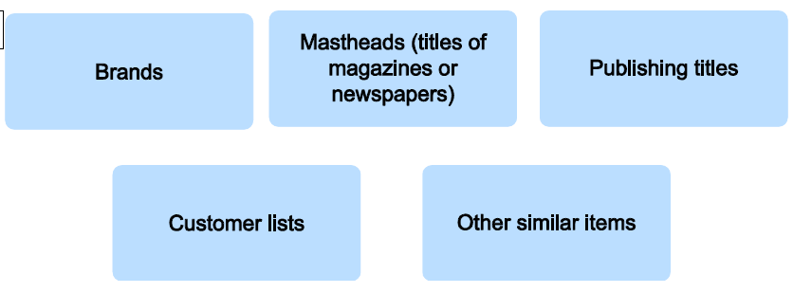

 | Internally generated goodwill is not a thing
 | cannot be recognised as an asset

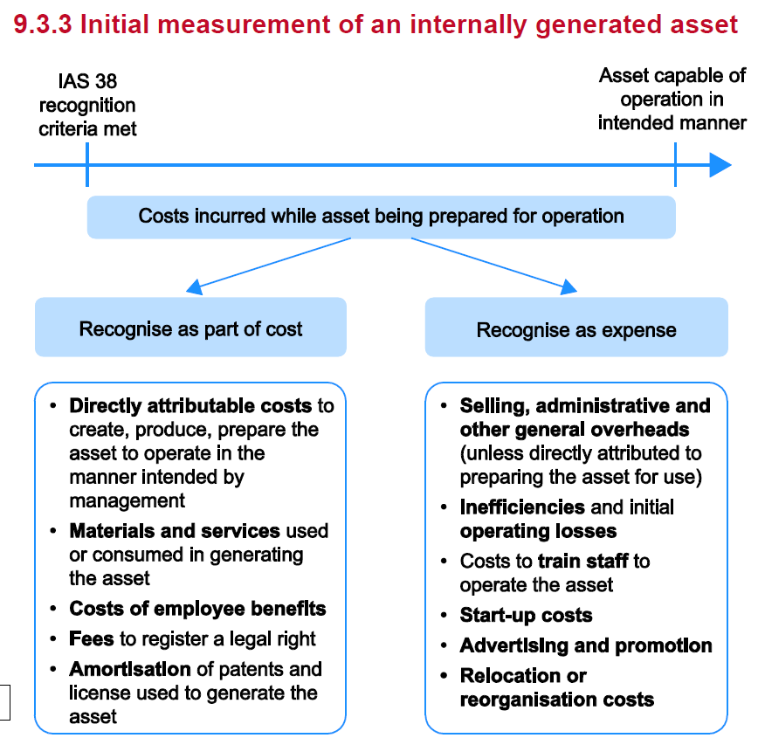

 | Internally generated brands cannot be recognised as IA. Only recognised when sold.

 | any P&L costs incurred before IA criteria were met has to remain written off throught the P&L
 | cannot write back P&L expense to the IA

 | Revaluation of IA only permissable where there is an active market
 | very rare for IA to be revalued as transactions often on a one off basis

 | when assessign the finiteness of the useful life. Consider any extension periods as being part of this
 | can use SL or reducing balance for amortisation
 | amortisation is a P&L expense unless required to be included in the production of another asset in which case it can be capitalised.

 | IA amortisation and residual value should be reassessed each year.
 | changing an infinite life asset to a finite life asset would incur an amortisation charge which would reduce net assets and reduce profits
 | an unethical accountant could ignore triggers of a finaite useful life in order to overstate net assets.
 | annual impairment review of IA
 | retirement on disposal. Allocate to held for sale or discontinued. Continue to deprecaite unless fully depreciated or classified as held for sale
 | if HFS then do no amortise

